Inflow Radial Reservoir
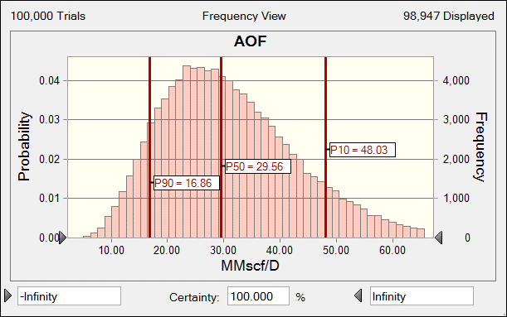

Crystal Ball Simulation Trials |  |  | 100,000 | Min | Max
Z-Factor | z |  | 1.085 | 0.95 | 1.1
Viscosity | m | cp | 0.027
Temperature | T | ºR | 644.4 | 500 | 660
Reservoir thickness | h | ft | 28.5 | 15 | 30 |  |  | P90 |  | P50 |  | P10
Percent perforated interval |  | % | 95.0 | 50 | 100 | q | Pwf | q | Pwf | q | Pwf | q | Pwf
Perforated interval | hp | ft | 27.069 |  |  | MMscf/D | psi | MMscf/D | psi | MMscf/D | psi | MMscf/D | psi
Permeability | k | mD | 29.971 | 10 | 30 | - | 4191.0 | 0.0 | 4191.0 | 0.0 | 4191.0 | 0.0 | 4191.0
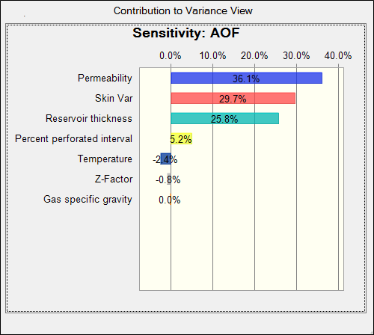
Drainage area |  | acre | 61.0 |  |  | 1.0 | 4175.8 | 0.2 | 4161.1 | 0.5 | 4165.6 | 1.0 | 4175.8
Drainage radius | re | ft | 919.7 |  |  | 2.1 | 4159.9 | 0.4 | 4130.9 | 1.0 | 4139.8 | 2.1 | 4159.9
Wellbore radius | rw | ft | 0.450 |  |  | 3.1 | 4143.4 | 0.6 | 4100.3 | 1.4 | 4113.6 | 3.1 | 4143.4
Skin Var |  |  | 4.107 | -4 | 5 | 4.2 | 4126.3 | 0.8 | 4069.4 | 1.9 | 4086.9 | 4.2 | 4126.3
Skin | S |  | -3.107 |  |  | 5.2 | 4108.4 | 1.0 | 4038.1 | 2.4 | 4059.8 | 5.2 | 4108.4
Static reservoir pressure | pr | psi | 4191.0 |  |  | 6.2 | 4089.9 | 1.2 | 4006.5 | 2.9 | 4032.3 | 6.2 | 4089.9
Gas specific gravity | gg |  | 0.690 | 0.6 | 0.7 | 7.3 | 4070.7 | 1.3 | 3974.5 | 3.4 | 4004.3 | 7.3 | 4070.7
Damage zone permeability | ks | mD | 25.000 |  |  | 8.3 | 4050.8 | 1.5 | 3942.1 | 3.8 | 3975.8 | 8.3 | 4050.8
 |  |  |  |  |  | 9.4 | 4030.3 | 1.7 | 3909.3 | 4.3 | 3946.9 | 9.4 | 4030.3
A |  |  | 31.88 |  |  | 10.4 | 4009.0 | 1.9 | 3876.2 | 4.8 | 3917.4 | 10.4 | 4009.0
B |  |  | 3.77 |  |  | 11.4 | 3986.9 | 2.1 | 3842.6 | 5.3 | 3887.5 | 11.4 | 3986.9
 |  |  |  |  |  | 12.5 | 3964.2 | 2.3 | 3808.6 | 5.8 | 3857.1 | 12.5 | 3964.2
Turbulance Coefficient |  |  |  |  |  | 13.5 | 3940.6 | 2.5 | 3774.2 | 6.2 | 3826.1 | 13.5 | 3940.6
Constant |  |  | 2.23E-15 |  |  | 14.6 | 3916.3 | 2.7 | 3739.3 | 6.7 | 3794.6 | 14.6 | 3916.3
Velocity coefficient/Turbulence parameter | b | 1/ft | 4.8801E+08 |  |  | 15.6 | 3891.3 | 2.9 | 3704.0 | 7.2 | 3762.5 | 15.6 | 3891.3
Coeficiente de flujo No-Darciano | D | D/Mscf | 7.0881E-05 |  |  | 16.6 | 3865.4 | 3.1 | 3668.2 | 7.7 | 3729.9 | 16.6 | 3865.4
 |  |  |  |  |  | 17.7 | 3838.7 | 3.3 | 3631.9 | 8.2 | 3696.7 | 17.7 | 3838.7
$${\left(p_{r}\right)}^{2} − {\left(p_{wf}\right)}^{2}=a q^{2}+b q$$
 |  | a | 2.2598E-03 |  |  | 18.7 | 3811.2 | 3.5 | 3595.2 | 8.7 | 3662.9 | 18.7 | 3811.2
 |  | b | 1.2004E+02 |  |  | 19.8 | 3782.9 | 3.7 | 3557.9 | 9.1 | 3628.5 | 19.8 | 3782.9
 |  |  |  |  |  | 20.8 | 3753.7 | 3.8 | 3520.1 | 9.6 | 3593.5 | 20.8 | 3753.7
Calculate Pwf for single gas rate |  |  |  |  |  | 21.8 | 3723.6 | 4.0 | 3481.8 | 10.1 | 3557.8 | 21.8 | 3723.6
Gas Rate | q | Mscf/D | 1,000.0 |  |  | 22.9 | 3692.6 | 4.2 | 3442.8 | 10.6 | 3521.5 | 22.9 | 3692.6
a x q2 |  |  | 2259.79 |  |  | 23.9 | 3660.7 | 4.4 | 3403.4 | 11.1 | 3484.4 | 23.9 | 3660.7
b x q |  |  | 120043.99 |  |  | 25.0 | 3627.8 | 4.6 | 3363.3 | 11.5 | 3446.7 | 25.0 | 3627.8
(Pr)2 |  | psi2 | 17564481 |  |  | 26.0 | 3593.9 | 4.8 | 3322.5 | 12.0 | 3408.2 | 26.0 | 3593.9
(Pwf)2 |  | psi2 | 1.7442E+07 |  |  | 27.0 | 3559.0 | 5.0 | 3281.2 | 12.5 | 3369.0 | 27.0 | 3559.0
Pwf |  | psi | 4176.38 |  |  | 28.1 | 3523.1 | 5.2 | 3239.1 | 13.0 | 3329.0 | 28.1 | 3523.1
 |  |  |  |  |  | 29.1 | 3486.1 | 5.4 | 3196.4 | 13.5 | 3288.1 | 29.1 | 3486.1
Calculate Absolute Open Flow |  |  |  |  |  | 30.2 | 3448.0 | 5.6 | 3152.9 | 13.9 | 3246.5 | 30.2 | 3448.0
AOF |  | Mscf/D | 65,515.68 |  |  | 31.2 | 3408.8 | 5.8 | 3108.7 | 14.4 | 3203.9 | 31.2 | 3408.8
 |  | MMscf/D | 65.52 |  |  | 32.2 | 3368.4 | 6.0 | 3063.7 | 14.9 | 3160.4 | 32.2 | 3368.4
 |  |  |  |  |  | 33.3 | 3326.7 | 6.1 | 3017.8 | 15.4 | 3116.0 | 33.3 | 3326.7
 |  |  |  |  |  | 34.3 | 3283.8 | 6.3 | 2971.1 | 15.9 | 3070.6 | 34.3 | 3283.8
 |  |  |  |  |  | 35.4 | 3239.6 | 6.5 | 2923.5 | 16.3 | 3024.1 | 35.4 | 3239.6
 |  |  |  |  |  | 36.4 | 3194.0 | 6.7 | 2874.9 | 16.8 | 2976.6 | 36.4 | 3194.0
 |  |  |  |  |  | 37.4 | 3146.9 | 6.9 | 2825.4 | 17.3 | 2927.9 | 37.4 | 3146.9
 |  |  |  |  |  | 38.5 | 3098.4 | 7.1 | 2774.8 | 17.8 | 2878.1 | 38.5 | 3098.4
 |  |  |  |  |  | 39.5 | 3048.2 | 7.3 | 2723.0 | 18.3 | 2826.9 | 39.5 | 3048.2
 |  |  |  |  |  | 40.6 | 2996.4 | 7.5 | 2670.1 | 18.7 | 2774.5 | 40.6 | 2996.4
 |  |  |  |  |  | 41.6 | 2942.9 | 7.7 | 2616.0 | 19.2 | 2720.6 | 41.6 | 2942.9
 |  |  |  |  |  | 42.6 | 2887.6 | 7.9 | 2560.5 | 19.7 | 2665.2 | 42.6 | 2887.6
 |  |  |  |  |  | 43.7 | 2830.3 | 8.1 | 2503.6 | 20.2 | 2608.3 | 43.7 | 2830.3
 |  |  |  |  |  | 44.7 | 2770.9 | 8.3 | 2445.1 | 20.7 | 2549.7 | 44.7 | 2770.9
 |  |  |  |  |  | 45.8 | 2709.3 | 8.5 | 2385.1 | 21.1 | 2489.2 | 45.8 | 2709.3
 |  |  |  |  |  | 46.8 | 2645.4 | 8.6 | 2323.3 | 21.6 | 2426.8 | 46.8 | 2645.4
 |  |  |  |  |  | 47.8 | 2578.9 | 8.8 | 2259.6 | 22.1 | 2362.3 | 47.8 | 2578.9
 |  |  |  |  |  | 48.9 | 2509.7 | 9.0 | 2193.8 | 22.6 | 2295.5 | 48.9 | 2509.7
 |  |  |  |  |  | 49.9 | 2437.5 | 9.2 | 2125.8 | 23.1 | 2226.3 | 49.9 | 2437.5
 |  |  |  |  |  | 51.0 | 2362.1 | 9.4 | 2055.3 | 23.6 | 2154.3 | 51.0 | 2362.1
 |  |  |  |  |  | 52.0 | 2283.2 | 9.6 | 1982.1 | 24.0 | 2079.3 | 52.0 | 2283.2
 |  |  |  |  |  | 53.0 | 2200.3 | 9.8 | 1905.8 | 24.5 | 2000.9 | 53.0 | 2200.3
 |  |  |  |  |  | 54.1 | 2113.0 | 10.0 | 1826.1 | 25.0 | 1918.8 | 54.1 | 2113.0
 |  |  |  |  |  | 55.1 | 2020.7 | 10.2 | 1742.5 | 25.5 | 1832.5 | 55.1 | 2020.7
 |  |  |  |  |  | 56.2 | 1922.7 | 10.4 | 1654.3 | 26.0 | 1741.2 | 56.2 | 1922.7
 |  |  |  |  |  | 57.2 | 1818.2 | 10.6 | 1560.9 | 26.4 | 1644.2 | 57.2 | 1818.2
 |  |  |  |  |  | 58.2 | 1705.8 | 10.8 | 1461.2 | 26.9 | 1540.5 | 58.2 | 1705.8
 |  |  |  |  |  | 59.3 | 1583.9 | 11.0 | 1353.9 | 27.4 | 1428.5 | 59.3 | 1583.9
 |  |  |  |  |  | 60.3 | 1450.1 | 11.1 | 1236.8 | 27.9 | 1306.1 | 60.3 | 1450.1
 |  |  |  |  |  | 61.4 | 1300.8 | 11.3 | 1107.1 | 28.4 | 1170.0 | 61.4 | 1300.8
 |  |  |  |  |  | 62.4 | 1129.7 | 11.5 | 959.5 | 28.8 | 1014.9 | 62.4 | 1129.7
 |  |  |  |  |  | 63.4 | 925.1 | 11.7 | 784.0 | 29.3 | 829.9 | 63.4 | 925.1
 |  |  |  |  |  | 64.5 | 656.0 | 11.9 | 554.8 | 29.8 | 587.8 | 64.5 | 656.0
 |  |  |  |  |  | 65.5 | 0.0 | 12.1 | 0.0 | 30.3 | 0.0 | 65.5 | 0.0

|Current Results|Sensitivity Charts|11. Inflow model Radial reservoir with CB.xlsm|Sensitivity Chart 1
|Current Results|Sensitivity Charts|04. Jones Model.xlsm|Sensitivity Chart 1

Charts Assum
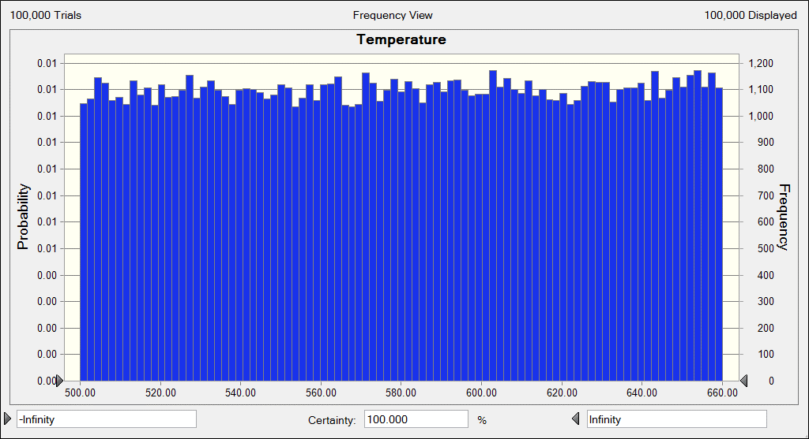
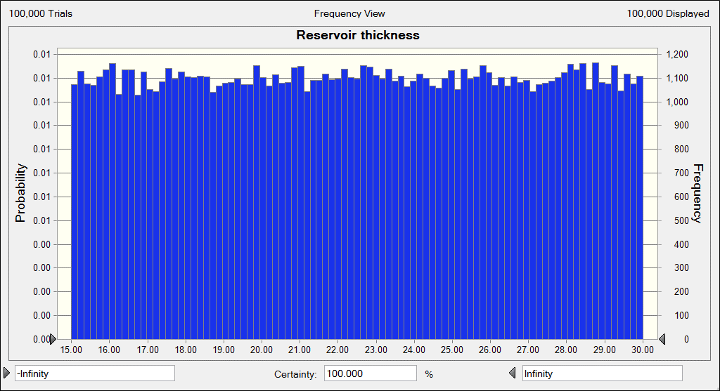
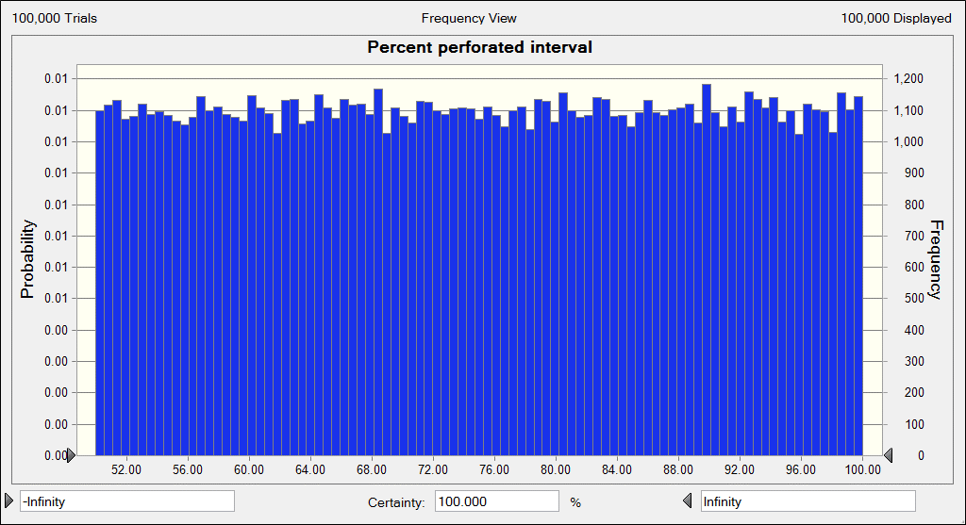
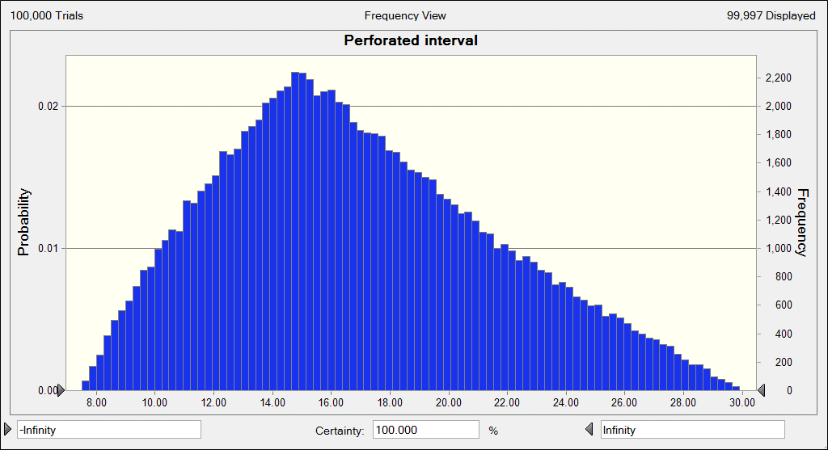
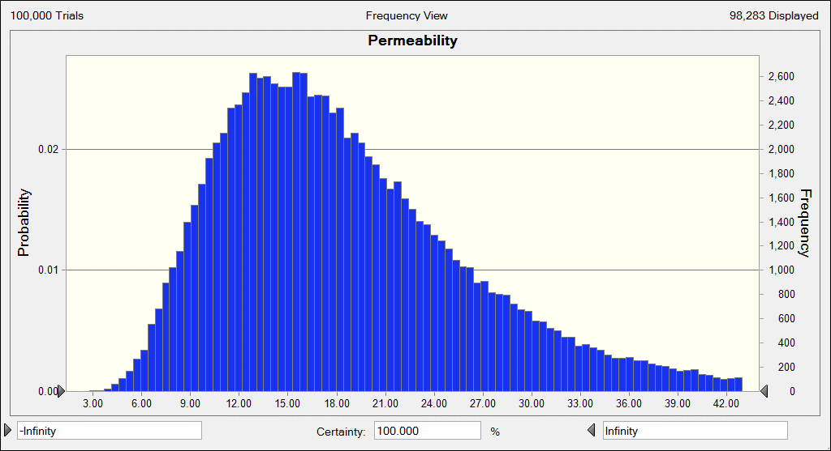
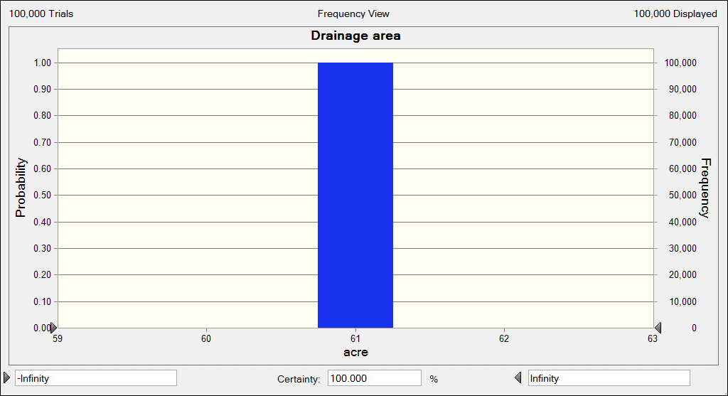
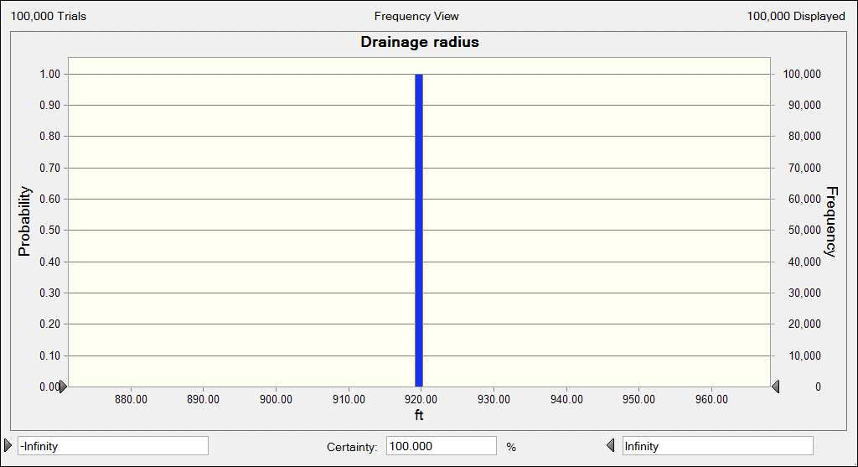
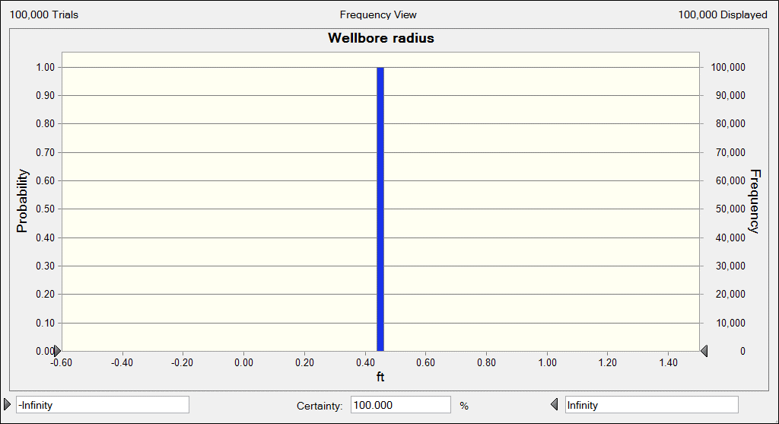
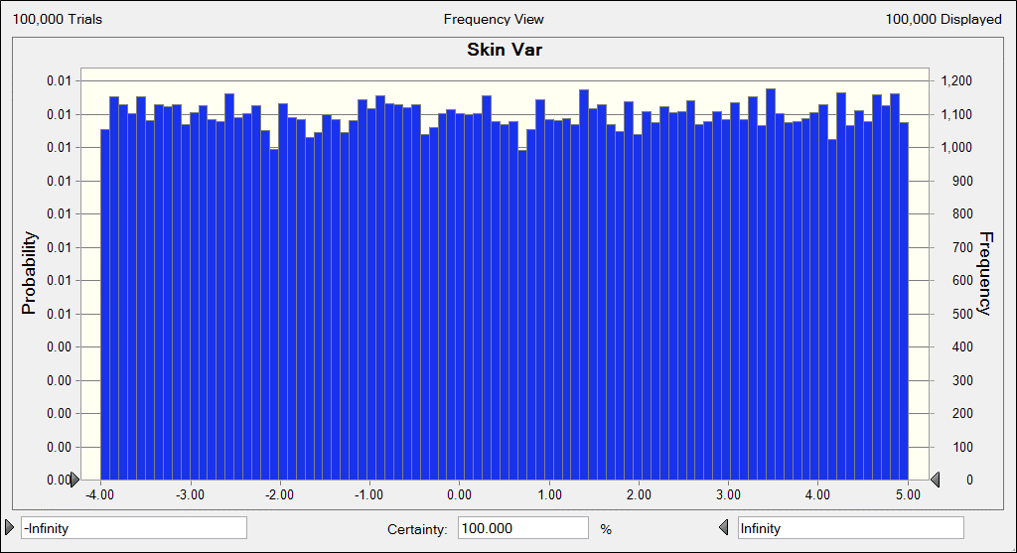
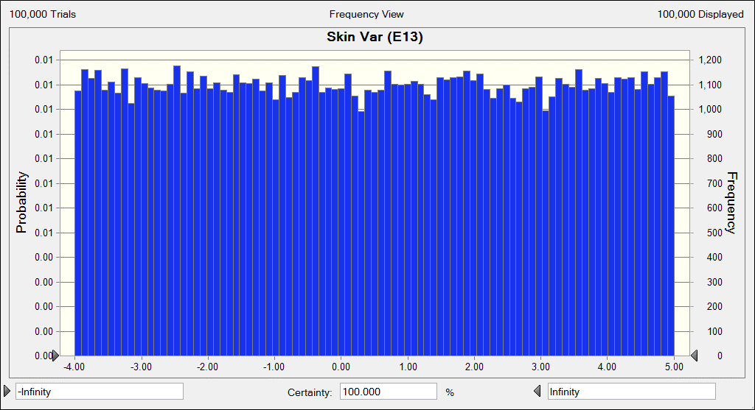
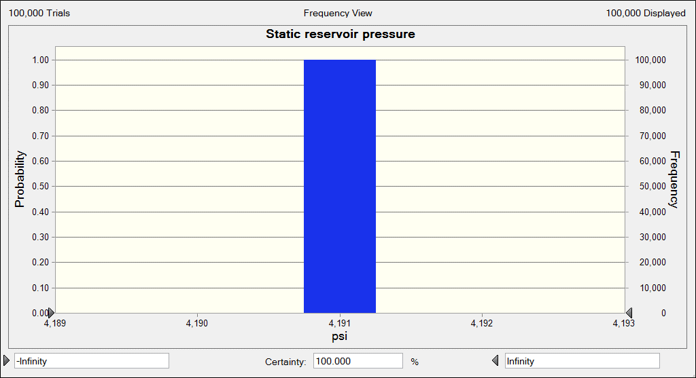
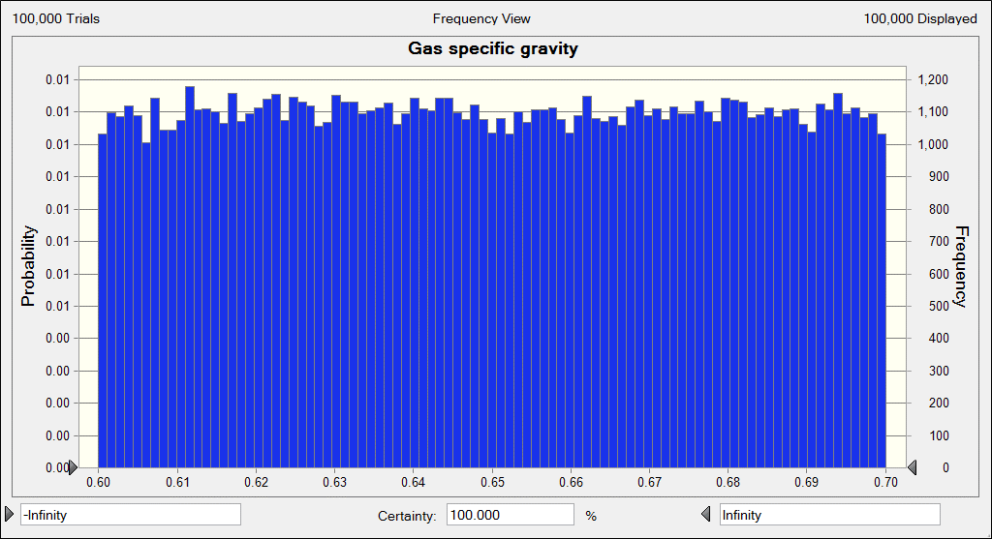
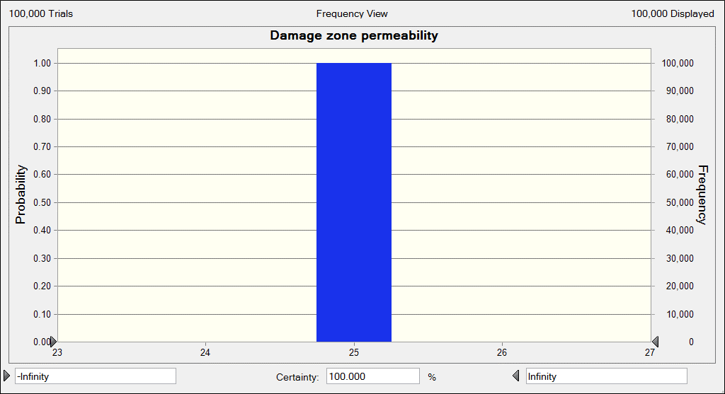
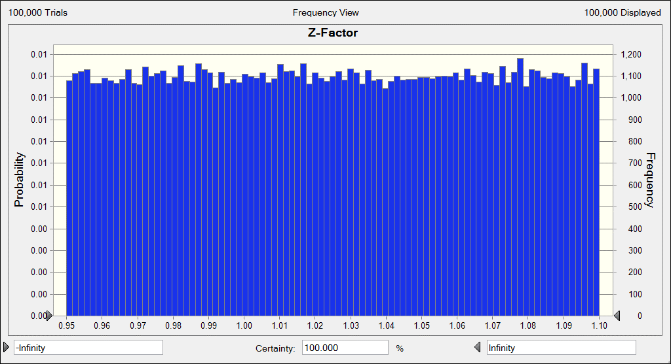
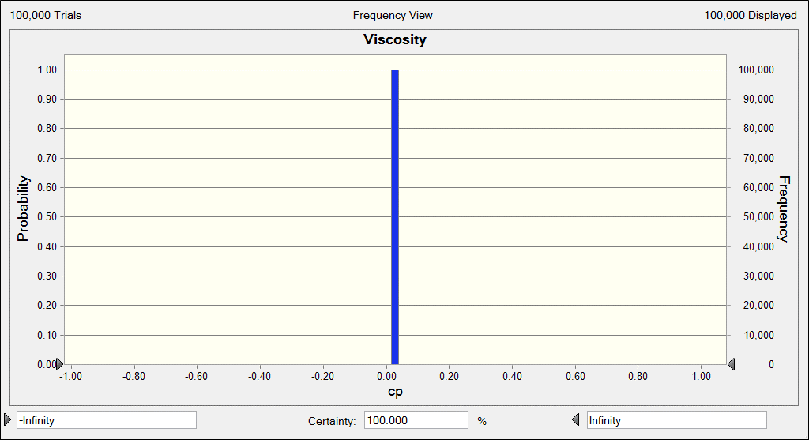
Z-Factor | z |  | 1.0850025587
Viscosity | m | cp | 0.02739
Temperature | T | ºR | 644.36283029
Reservoir thickness | h | ft | 28.498286409
Percent perforated interval |  | % | 94.985794972
Perforated interval | hp | ft | 27.069323899
Permeability | k | mD | 29.970553214
Drainage area |  | acre | 61
Drainage radius | re | ft | 919.6740168
Wellbore radius | rw | ft | 0.45
Skin Var |  |  | 4.1072142274
Skin | S |  | -3.1072142274
Static reservoir pressure | pr | psi | 4191
Gas specific gravity | gg |  | 0.68995382529
Damage zone permeability | ks | mD | 25
ABsolute Open Flow | AOF | MMscf/D | 65.52

Equations
$${\left(p_{r}\right)}^{2} − {\left(p_{wf}\right)}^{2}=a q^{2}+b q$$

$${\left(p_{r}\right)}^{2} − {\left(p_{wf}\right)}^{2}=\left(1.422 {10}^{6} \frac{\overline{μ_{g}} \overline{z} T}{kh}D\right)q^{2}+\left(1.422 {10}^{6} \frac{\overline{μ_{g}} \overline{z} T}{kh} \left[\ln\left(\frac{r_{e}}{r_{w}}\right)−0.75+S\right] \right) q$$

$$A=1.422 {10}^{6} \frac{\overline{μ_{g}} \overline{z} T}{kh}$$
$$B=\ln\left(\frac{r_{e}}{r_{w}}\right)−0.75+S$$

$$β=2.33 {10}^{10} k^{−1.201}$$

$$Field Unit: D=2.226 {10}^{−15} \frac{β γ_{g} h {\left(k_{s}\right)}^{−0.1}}{{\left(h_{p}\right)}^{2} μ r_{w}}$$

